Cover
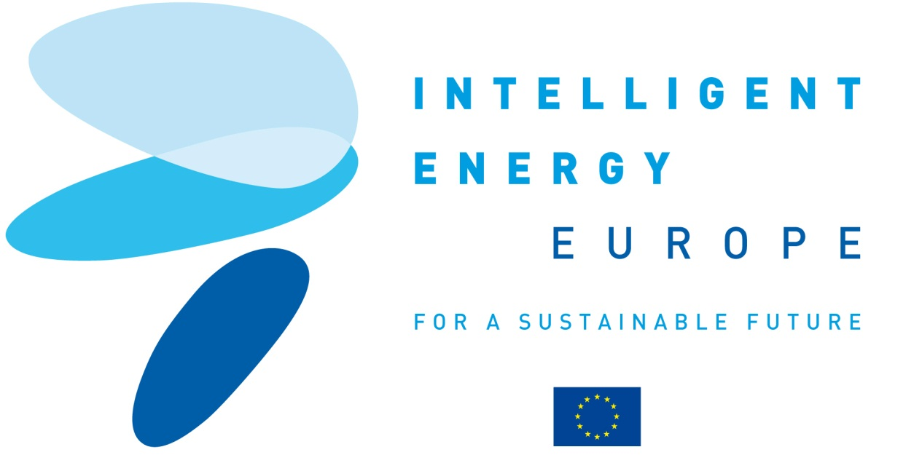
The European platform for green building practitioners

CONSTRUCTION 21

C21

D8.2 Internet and Press communication campaigns
D8.7 Viral messaging campaigns

Contract N°: IEE/10/184/SI2.589410

Duration : 24 months

Coordinator contact:
Cedric Borel
IFPEB
cedric.borel@ifpeb.fr
+33 9 82 53 49 06

