Cover
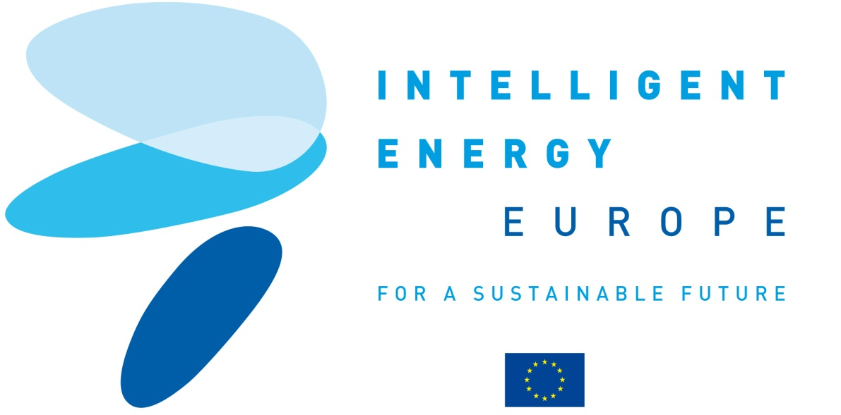
The European platform for green building practitioners

CONSTRUCTION 21

C21

D4.1 Partnerships
D4.1 List of 50 partnership (key actor and university /training) agreements on file with MC. These partnerships involve 5 000 000 professionals (200 000 directly targeted by partners).

Contract N°: IEE/10/184/SI2.589410

Duration : 24 months

Coordinator contact:
Cedric Borel
IFPEB
cedric.borel@ifpeb.fr
+33 9 82 53 49 06

